A Residential Service
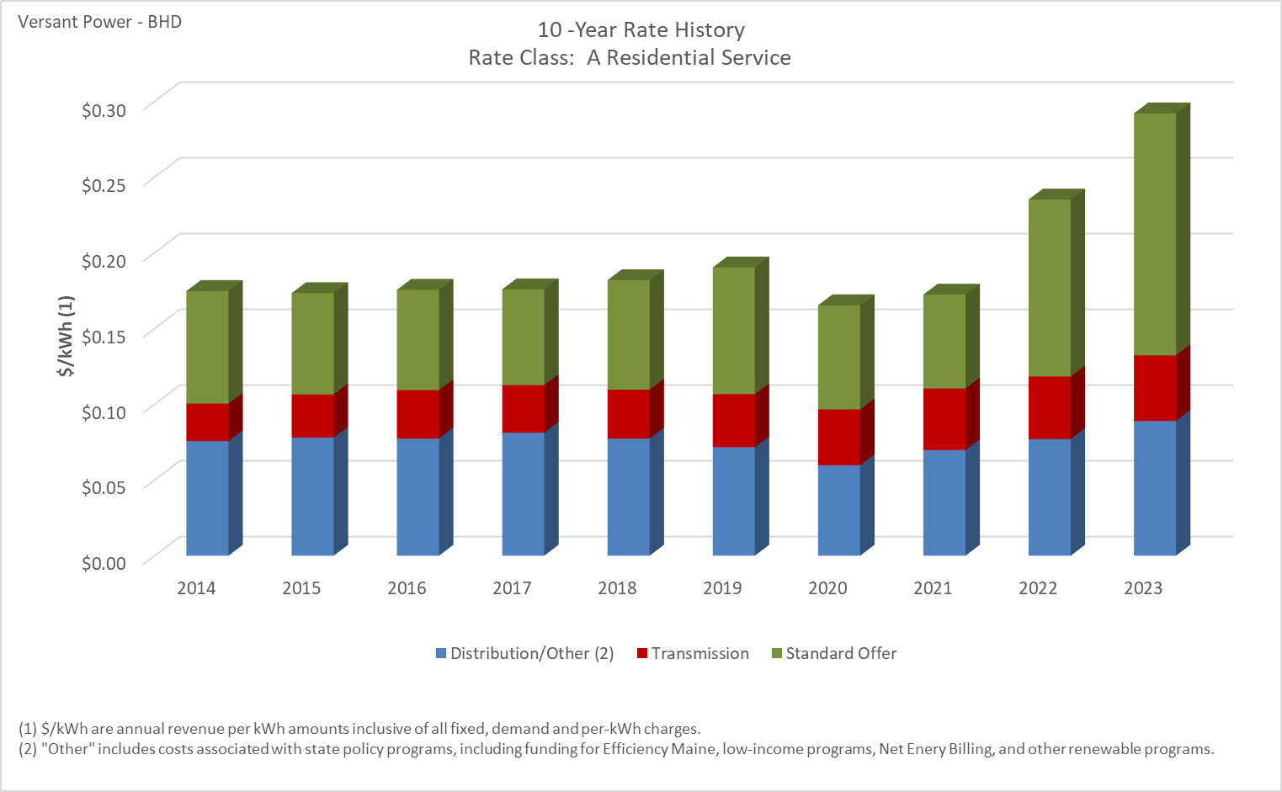

Distribution/Other rates increased 17.68% from $0.07561 to $0.08898 between 2014 and 2023.
Transmission rates increased 74.73% from $0.02476 to $0.04326 between 2014 and 2023.
Standard offer rates increased 114.99% from $0.07429 to $0.15972 between 2014 and 2023.

Note: Source data Provided by utility in Docket No. 2019-00186

A-2 Residential Water Heat
10 -Year Rate History
 | Distribution/Other (2) | Transmission | Standard Offer
2014 | $0.075610 | $0.024758 | $0.074292
2015 | $0.077997 | $0.028476 | $0.066829
2016 | $0.077316 | $0.031912 | $0.066240
2017 | $0.081143 | $0.031439 | $0.063220
2018 | $0.077292 | $0.032302 | $0.072250
2019 | $0.071670 | $0.034892 | $0.083695
2020 | $0.059696 | $0.036791 | $0.068785
2021 | $0.069687 | $0.040682 | $0.061960
2022 | $0.077030 | $0.041250 | $0.116840
2023 | $0.088980 | $0.043260 | $0.159720

Distribution/Other rates increased 18.63% from $0.07395 to $0.08773 between 2014 and 2023.
Transmission rates increased 77.04% from $0.02480 to $0.04390 between 2014 and 2023.
Standard offer rates increased 114.99% from $0.07429 to $0.15972 between 2014 and 2023.

Note: Source data Provided by utility in Docket No. 2019-00186

A-4 - Home Eco Rate Time-of-use
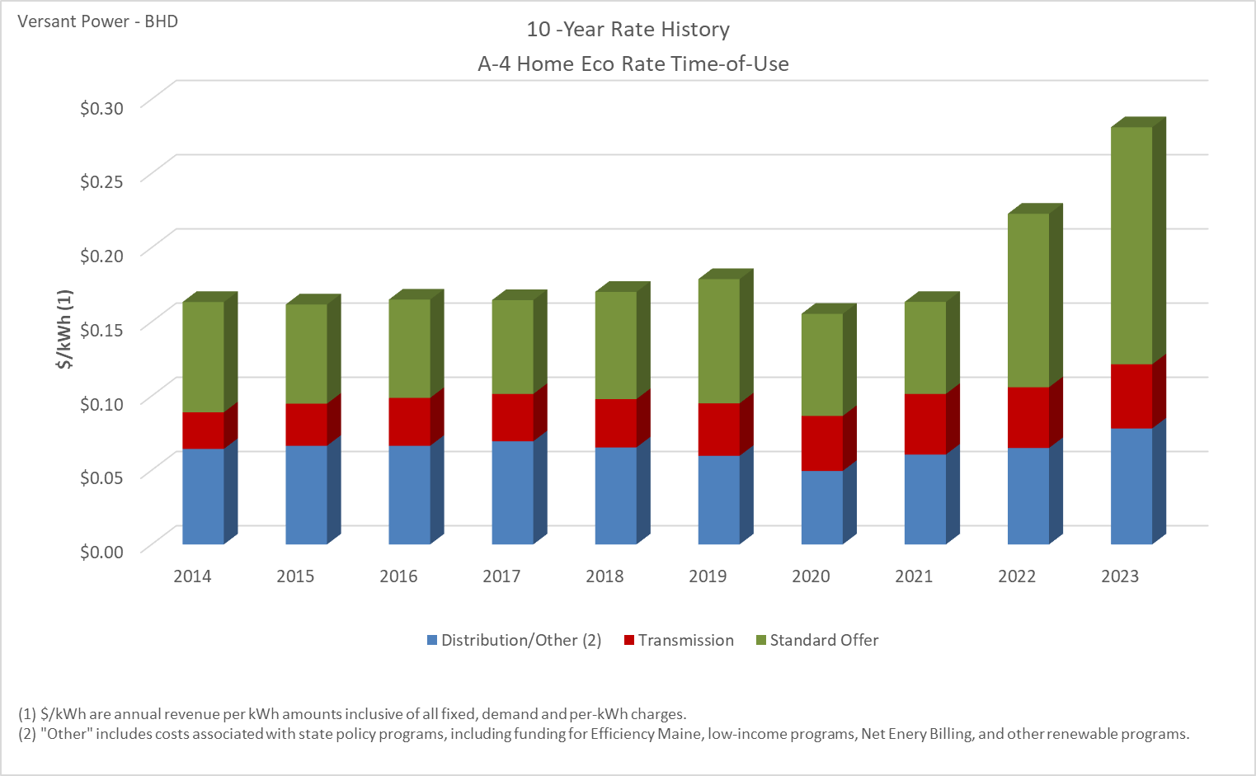

Distribution/Other rates increased 21.46% from $0.06434 to $0.07815 between 2014 and 2023.
Transmission rates increased 74.96% from $0.02470 to $0.04321 between 2014 and 2023.
Standard offer rates increased 114.99% from $0.07429 to $0.15972 between 2014 and 2023.

Note: Source data Provided by utility in Docket No. 2019-00186

A-1 - Residential Electric Ther
10 -Year Rate History
 | Distribution/Other (2) | Transmission | Standard Offer
2014 | $0.018933 | $0.024038 | $0.074292
2015 | $0.024171 | $0.027560 | $0.066829
2016 | $0.022252 | $0.031983 | $0.066240
2017 | $0.025500 | $0.032505 | $0.063220
2018 | $0.030587 | $0.031816 | $0.072250
2019 | $0.028772 | $0.035782 | $0.083695
2020 | $0.019778 | $0.036078 | $0.068785
2021 | $0.037017 | $0.040748 | $0.061960
2022 | $0.029820 | $0.041820 | $0.116840
2023 | $0.047190 | $0.043830 | $0.159720

Distribution/Other rates increased 149.25% from $0.01893 to $0.04719 between 2014 and 2023.
Transmission rates increased 82.33% from $0.02404 to $0.04383 between 2014 and 2023.
Standard offer rates increased 114.99% from $0.07429 to $0.15972 between 2014 and 2023.

Note: Source data Provided by utility in Docket No. 2019-00186

A-20 - Home Heating Eco Rate
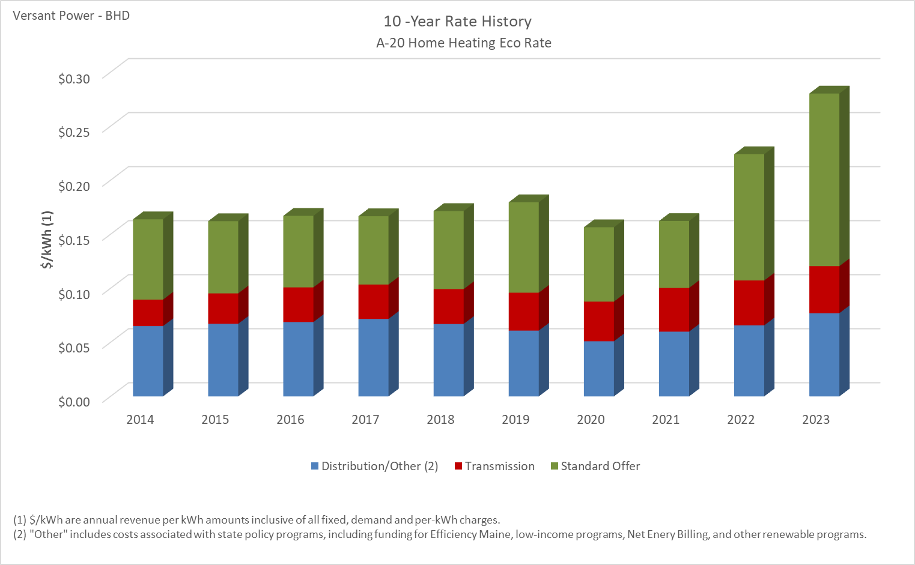

Distribution/Other rates increased 18.35% from $0.06507 to $0.07701 between 2014 and 2023.
Transmission rates increased 77.48% from $0.02454 to $0.04355 between 2014 and 2023.
Standard offer rates increased 114.99% from $0.07429 to $0.15972 between 2014 and 2023.

Note: Source data Provided by utility in Docket No. 2019-00186

B-1 - Business Eco Rate
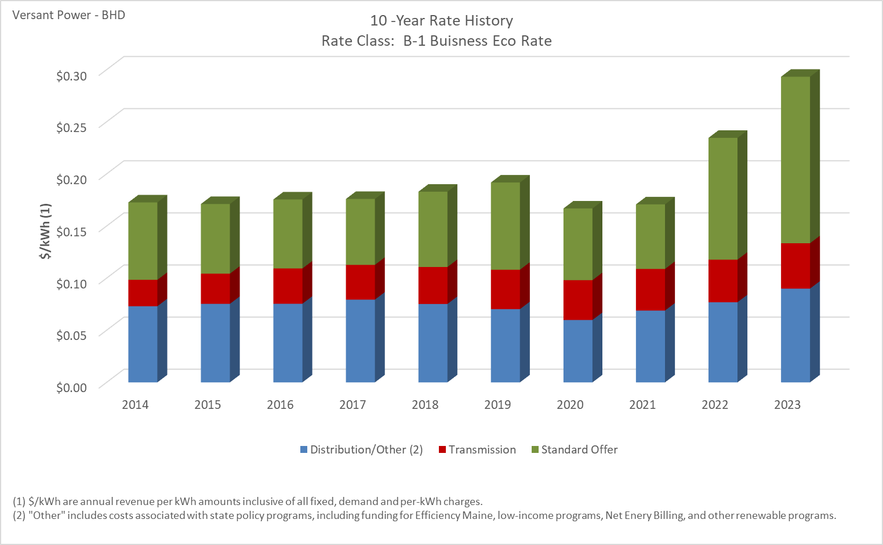

Distribution/Other rates increased 23.11% from $0.07305 to $0.08994 between 2014 and 2023.
Transmission rates increased 72.06% from $0.02531 to $0.04355 between 2014 and 2023.
Standard offer rates increased 114.99% from $0.07429 to $0.15972 between 2014 and 2023.

Note: Source data Provided by utility in Docket No. 2019-00186
Note: **B-5 Business Eco Rate - Separate Meter became available on June 1, 2023.

B-4 Commercial Water Heating
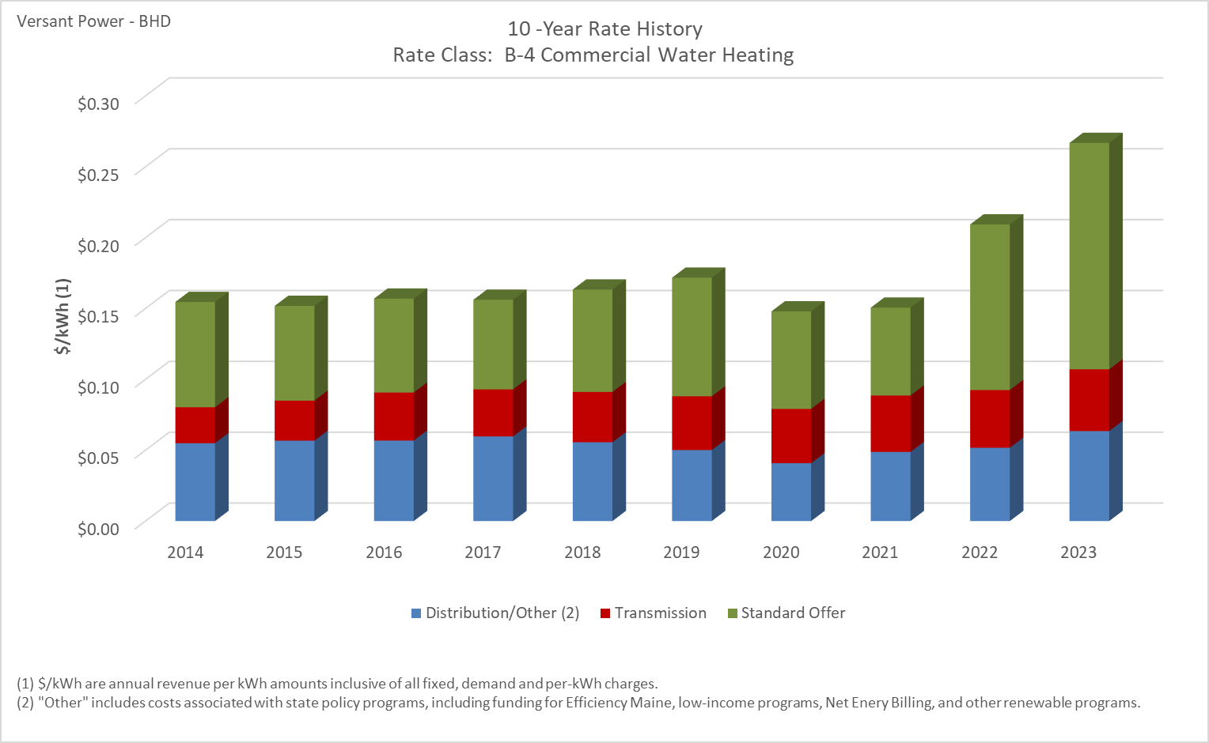

Distribution/Other rates increased 15.64% from $0.05493 to $0.06352 between 2014 and 2023.
Transmission rates increased 71.74% from $0.02534 to $0.04352 between 2014 and 2023.
Standard offer rates increased 114.99% from $0.07429 to $0.15972 between 2014 and 2023.

Note: Source data Provided by utility in Docket No. 2019-00186

B-2 - Business Heating Eco Rate
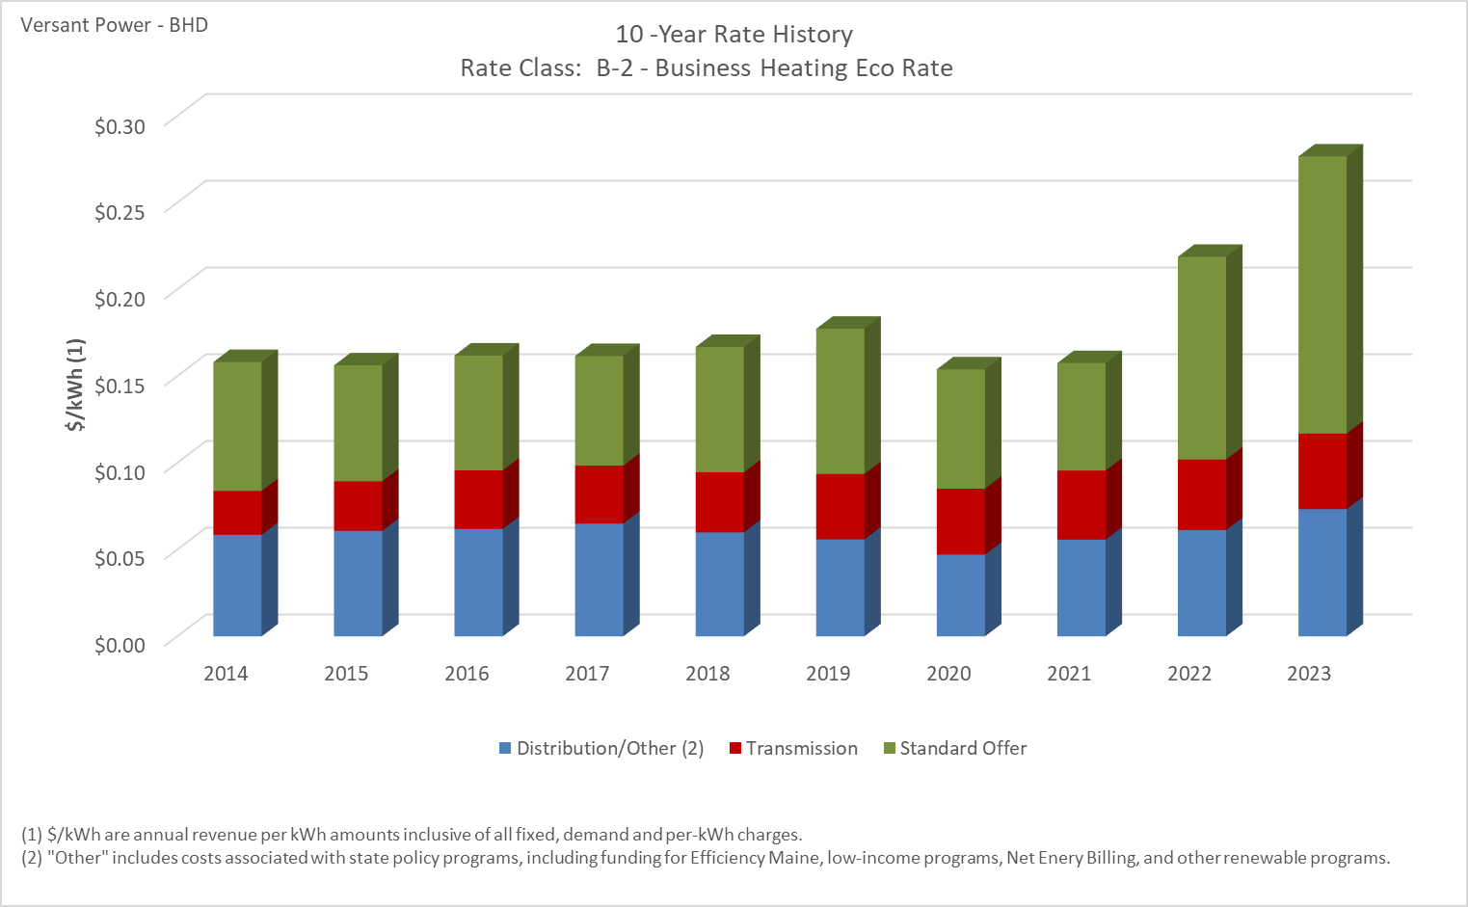

Distribution/Other rates increased 25.26% from $0.05852 to $0.07330 between 2014 and 2023.
Transmission rates increased 72.12% from $0.02533 to $0.04359 between 2014 and 2023.
Standard offer rates increased 114.99% from $0.07429 to $0.15972 between 2014 and 2023.

Note: Source data Provided by utility in Docket No. 2019-00186

B-3 - Business Heating Eco Rate
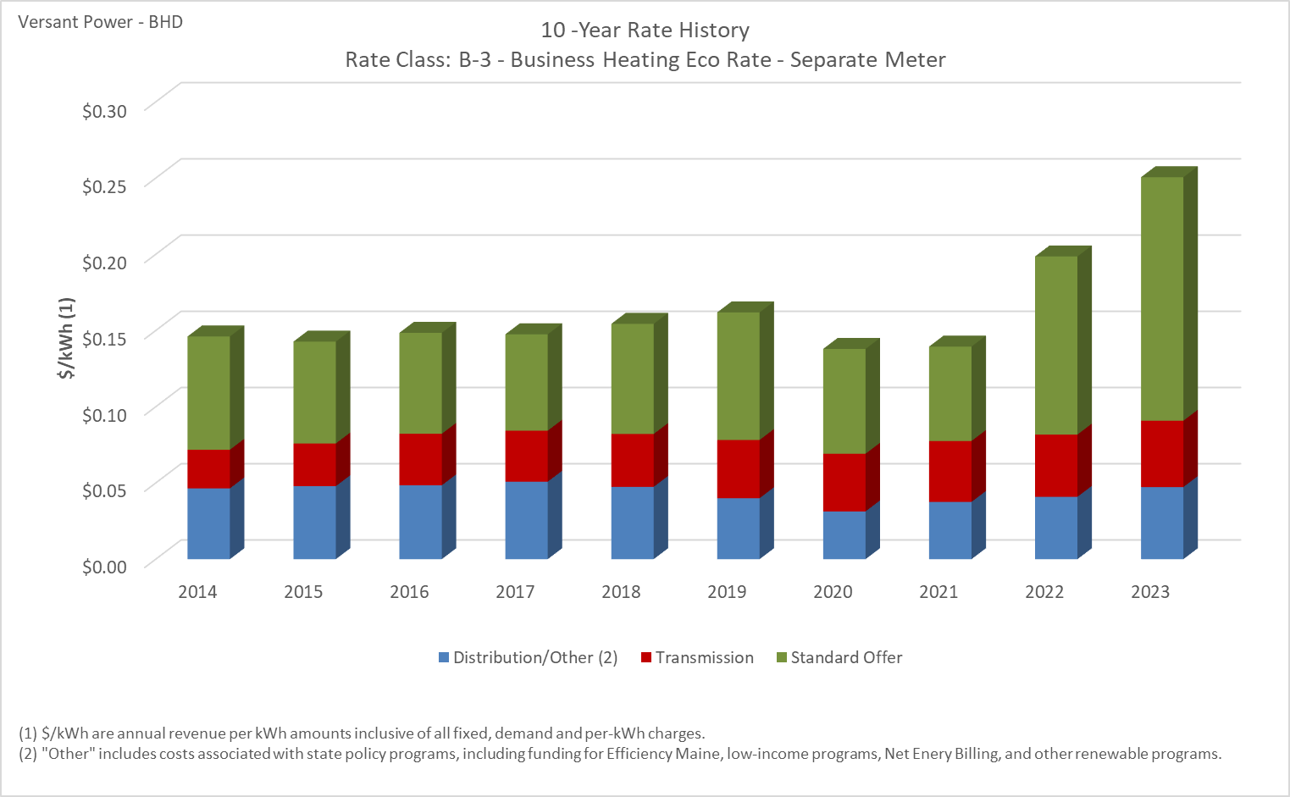

Distribution/Other rates increased 1.88% from $0.04644 to $0.04731 between 2014 and 2023.
Transmission rates increased 71.61% from $0.02537 to $0.04353 between 2014 and 2023.
Standard offer rates increased 114.99% from $0.07429 to $0.15972 between 2014 and 2023.

Note: Source data Provided by utility in Docket No. 2019-00186

 | #DIV/0!

B-5 - Business Eco Rate - SM
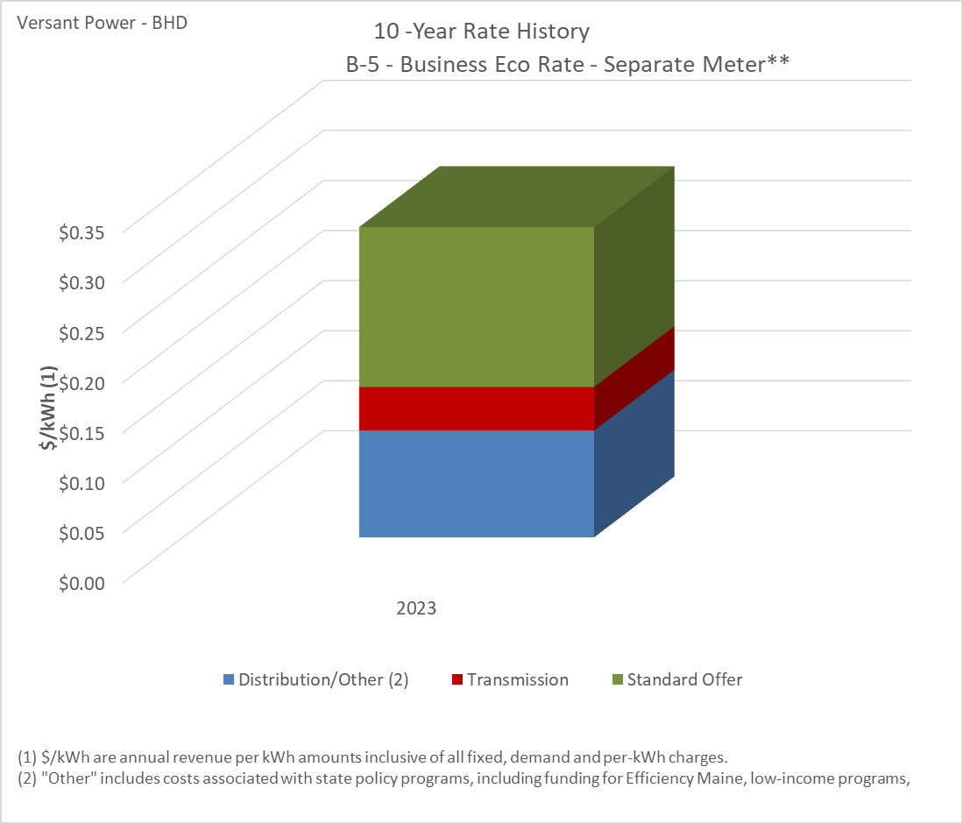

Note: Source data Provided by utility in Docket No. 2019-00186
Note 2: Rate B-5 was included in VP's 3/27/2023 compliance filing and the order approving rates was filed on 4/4/2023 with an effective date of June 1 2023 in Docket No. 2021-00325

M-2 Medium Power Secondary
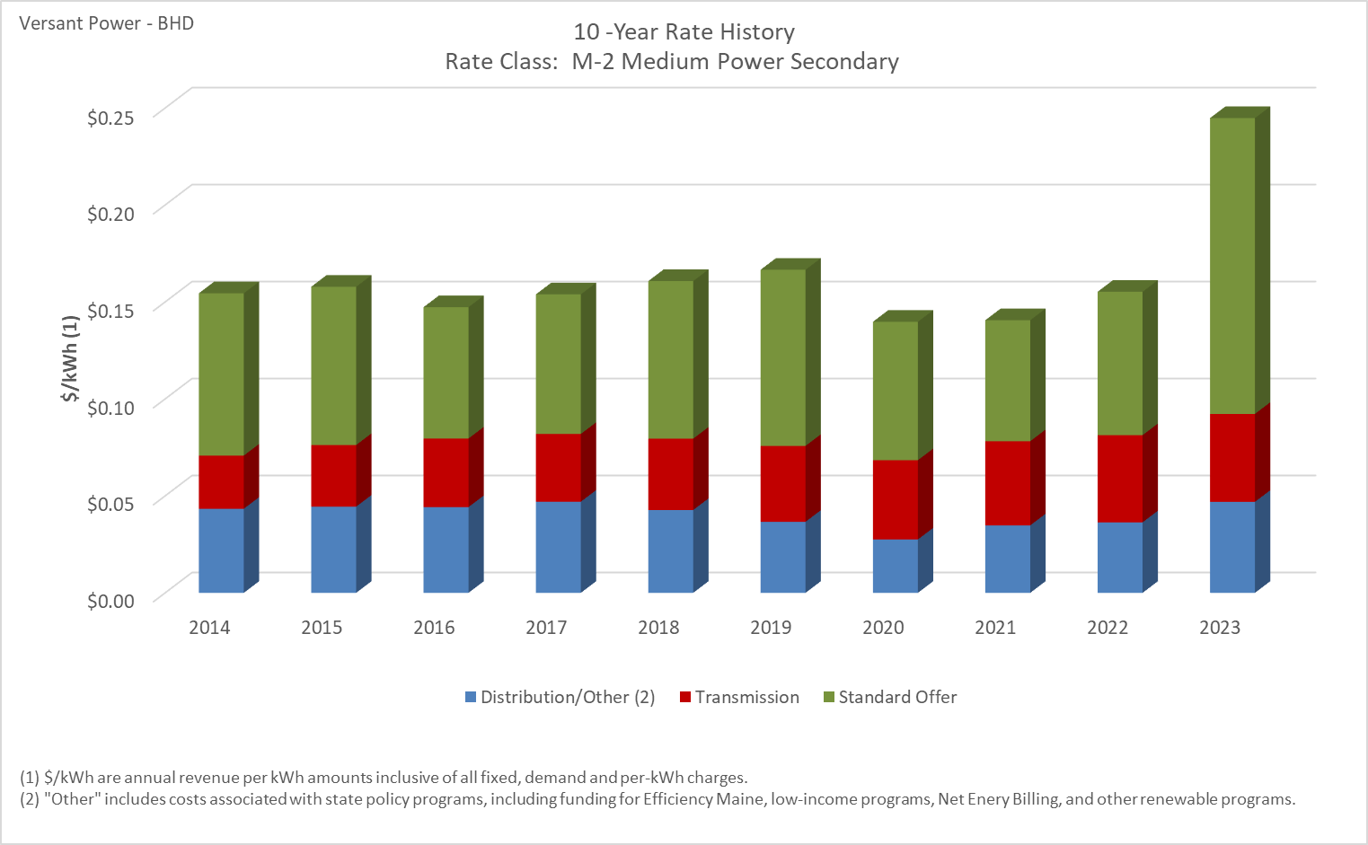

Distribution/Other rates increased 8.17% from $0.04336 to $0.04690 between 2014 and 2023.
Transmission rates increased 65.47% from $0.02741 to $0.04536 between 2014 and 2023.
Standard offer rates increased 82.22% from $0.08370 to $0.15253 between 2014 and 2023.

Note: Source data Provided by utility in Docket No. 2019-00186

D-4 Primary Power
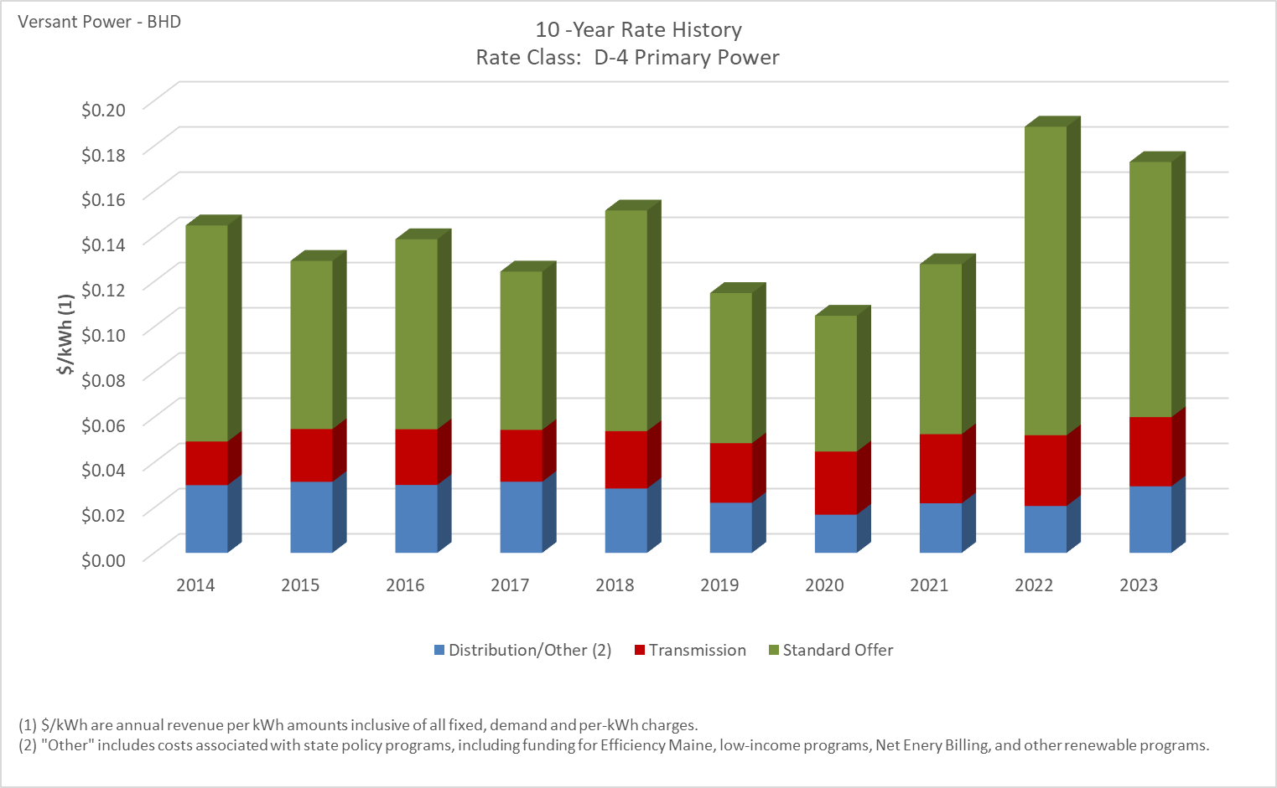

Distribution/Other rates decreased 1.77% from $0.02996 to $0.02943 between 2014 and 2023.
Transmission rates increased 58.61% from $0.01929 to $0.03060 between 2014 and 2023.
Standard offer rates increased 18.05% from $0.09557 to $0.11283 between 2014 and 2023.

Note: Source data Provided by utility in Docket No. 2019-00186

M-1 Medium Power Primary
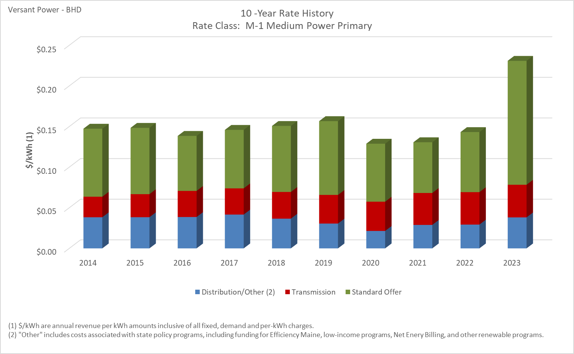

Distribution/Other rates decreased 0.47% from $0.03832 to $0.03814 between 2014 and 2023.
Transmission rates increased 58.87% from $0.02528 to $0.04016 between 2014 and 2023.
Standard offer rates increased 82.22% from $0.08370 to $0.15253 between 2014 and 2023.

Note: Source data Provided by utility in Docket No. 2019-00186

T-1 Transmission
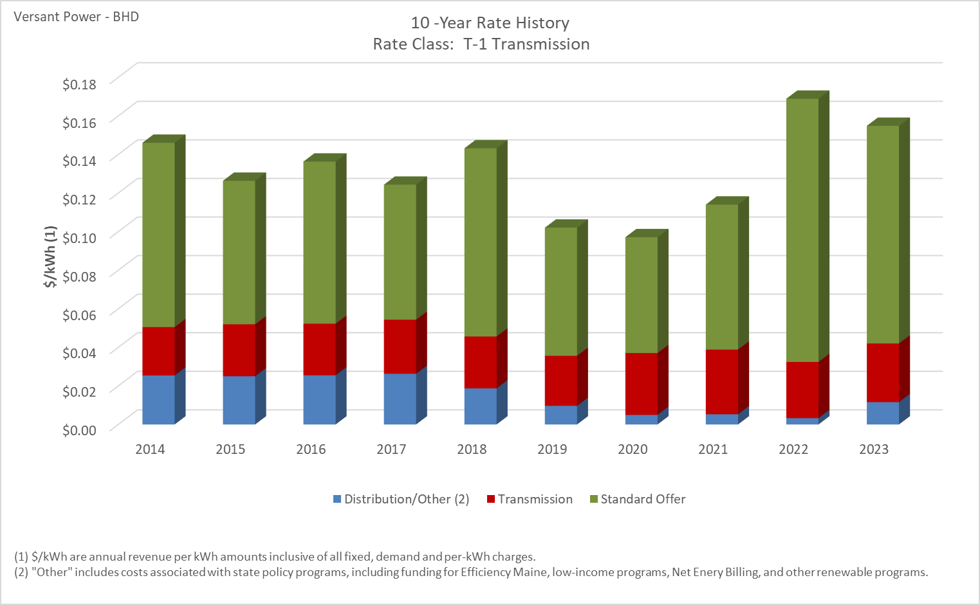

Distribution/Other rates decreased 54.42% from $0.02541 to $0.01158 between 2014 and 2023.
Transmission rates increased 21.28% from $0.02508 to $0.03042 between 2014 and 2023.
Standard offer rates increased 18.05% from $0.09557 to $0.11283 between 2014 and 2023.

Note: Source data Provided by utility in Docket No. 2019-00186

G-1 Street Lighting
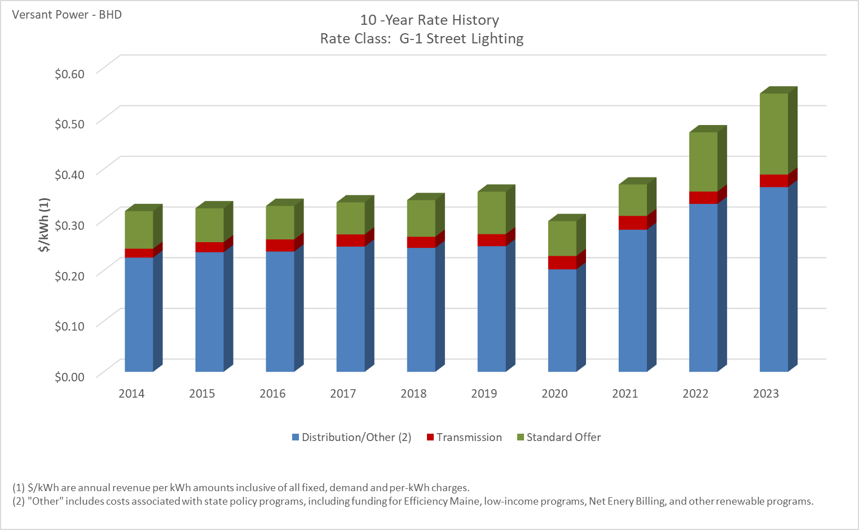

Distribution/Other rates increased 61.70% from $0.22542 to $0.36451 between 2014 and 2023.
Transmission rates increased 42.52% from $0.01743 to $0.02484 between 2014 and 2023.
Standard offer rates increased 114.99% from $0.07429 to $0.15972 between 2014 and 2023.

Note: Source data Provided by utility in Docket No. 2019-00186

G-3 Municipal Street Lighting
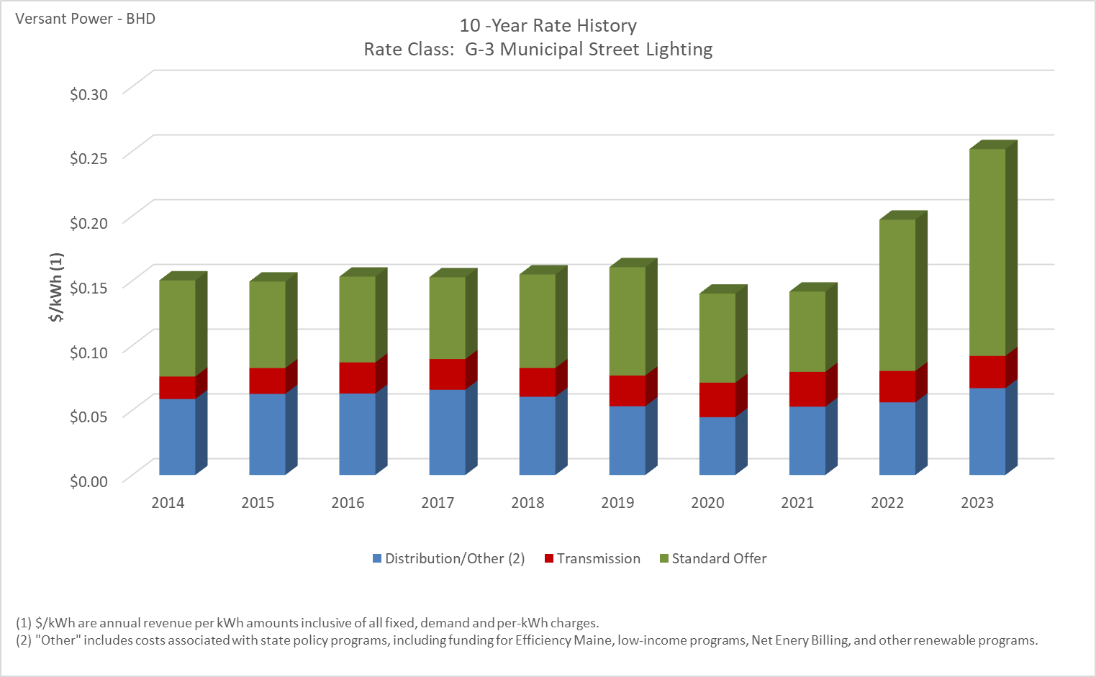

Distribution/Other rates increased 14.30% from $0.05868 to $0.06707 between 2014 and 2023.
Transmission rates increased 43.60% from $0.01733 to $0.02488 between 2014 and 2023.
Standard offer rates increased 114.99% from $0.07429 to $0.15972 between 2014 and 2023.

Note: Source data Provided by utility in Docket No. 2019-00186

